Initial table
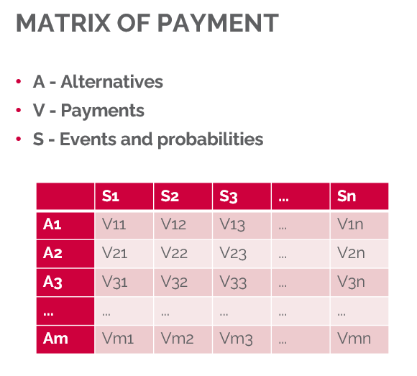
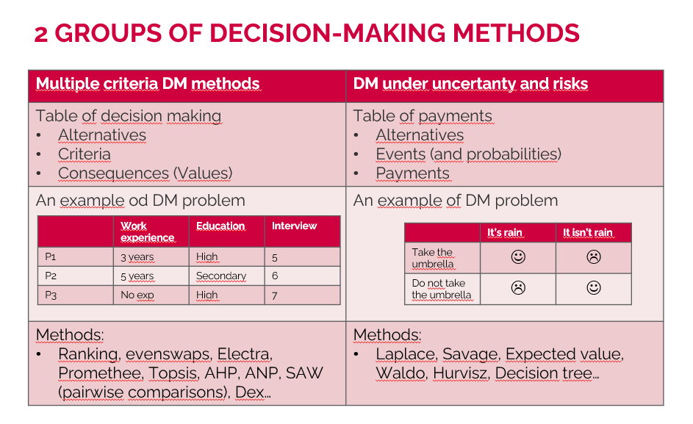
 | Expansion | Stagnation | Recession
 | 0.3 | 0.4 | 0.3
Big company | 200 | 50 | -120
Medium-sized c | 90 | 120 | -30
Small company | 40 | 30 | 20
No company | 0 | 0 | 0

 | Expansion | Stagnation | Recession
Big company | 200 | 50 | -120
Medium-sized c | 90 | 120 | -30
Small company | 40 | 30 | 20
No company | 0 | 0 | 0

